SHELL
L1 WOMENS JACKET |  |  |  |  |  |  | SAMPLE SIZE SMALL / XS-L
SEASON: |  | WINTER 2018/2019 |  |  | CONTRACTOR: |  | SOLUNA
STYLE NUMBER: |  | L1TA-108-18 |  |  | DATE CREATED: |  | 2017-03-01
STYLE NAME: |  | STRANGE LOVE FLANNEL |  |  | DATE REVISED: |  | 2017-03-29
WATERPROOF/BREATHABILITY: |  | DWR |  |  | BLOCK: |  | L1TA-108-17 BULK
SEAM SEALING: |  | NO SEAM TAPING |  |  | FIT: |  | STREET
INSULATION: |  | PINNECO MANTLE 40G ALL OVER |  |  | TARGET FOB:
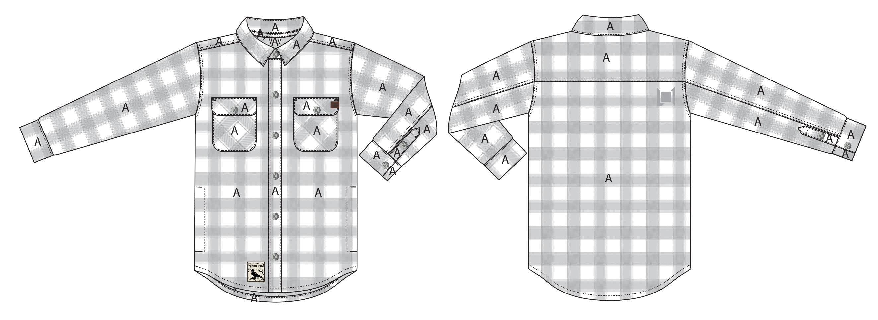
 |  |  |  | COLORWAYS
SHELL FABRIC | SUPPLIER/ REFERENCE NUMBER | LOCATION | CONTENT | SILT / GUNMETAL | WALNUT / INK
BROKEN TWILL | SOLIS/ SOTW182-D FLANNEL / BRUSH, C6+ DWR | A | 100% POLYESTER | SILT / GUNMETAL | WALNUT / INK

INSULATION | SUPPLIER/ REFERENCE NUMBER | LOCATION | CONTENT | SILT / GUNMETAL | WALNUT / INK | 0 | 0 | 0 | 0
POLYFILL INSULATION | PINNECO MANTLE 40G | ALL OVER | 100% POLYESTER | PINNECO MANTLE 40G | PINNECO MANTLE 40G

SEAM TAPE | SUPPLIER/ REFERENCE NUMBER | LOCATION | CONTENT | SILT / GUNMETAL | WALNUT / INK | 0 | 0 | 0 | 0
NO SEAM TAPE

LINING | SUPPLIER/ REFERENCE NUMBER | LOCATION | CONTENT | SILT / GUNMETAL | WALNUT / INK | 0 | 0 | 0 | 0
SOLID QUILTED SATIN | SOLIS/ PR258 | MAIN BODY | 100% POLYESTER | INK 19-4010 TCX | INK 19-4010 TCX
SOLID SATIN | SOLIS/ PR258 | POCKET BAGS | 100% NYLON | INK 19-4010 TCX | INK 19-4010 TCX
SOLID 210T | SOLIS/ SONP006-1 | SLEEVES | 100% NYLON | BLACK | BLACK

MEASUREMENTS
L1 WOMENS JACKET |  |  |  |  |  |  |  | SAMPLE SIZE SMALL / XS-L
SEASON: |  | WINTER 2018/2019 |  |  |  |  |  | CONTRACTOR: |  |  |  |  |  | SOLUNA
STYLE NUMBER: |  | L1TA-108-18 |  |  |  |  |  | DATE CREATED: |  |  |  |  |  | 2017-03-01
STYLE NAME: |  | STRANGE LOVE FLANNEL |  |  |  |  |  | DATE REVISED: |  |  |  |  |  | 2017-03-29
WATERPROOF/BREATHABILITY: |  | DWR |  |  |  |  |  | BLOCK: |  |  |  |  |  | L1TA-108-17 BULK
SEAM SEALINING: |  | NO SEAM TAPING |  |  |  |  |  | FIT: |  |  |  |  |  | STREET
INSULATION: |  | PINNECO MANTLE 40G ALL OVER |  |  |  |  |  | TARGET FOB: |  |  |  |  |  | $0.00
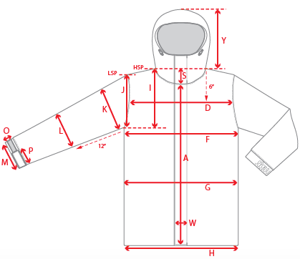 |  |  | 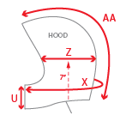 |  |  | 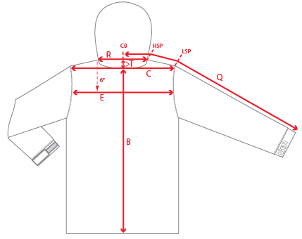
 |  |  |  | 1ST PROTO |  |  | 2ND PROTO |  |  | 3RD PROTO |  |  | S/SAMPLE |  |  | PP SAMPLE |  | FINAL
 |  |  | DATE: |  |  | DATE: |  |  | DATE: |  |  | DATE: |  |  | DATE:
 |  | TOL +/- | INITIAL MEASMNT | SAMPLE MEASURES | REVISE TO | REQUESTED | SAMPLE MEASURES | REVISE TO | REQUESTED | SAMPLE MEASURES | REVISE TO | REQUESTED | SAMPLE MEASURES | REVISE TO | REQUESTED | SAMPLE MEASURES | REVISE TO | APPROVED MEASMNTS
A | CF LENGTH - FROM NECKLINE | 0.25 | 24.5
B | CB LENGTH - FROM NECKLINE | 0.25 | 28
 | SHIRT TAIL HEM HEIGHT |  | 2
C | SHOULDER WIDTH | 0.25 | 15.5
D | ACROSS FRONT- 6" FROM HPS | 0.25
E | ACROSS BACK- 6" FROM HPS | 0.25
F | CHEST WIDTH - 1" BELOW ARMHOLE (1/2 MEASURE) | 0.25 | 20.25
G | WAIST WIDTH - FROM HSP: XS-16", S-16.5", M-17", L-17.5" (1/2 MEASURE) | 0.25 | 20
 | HIP WIDTH - FROM HSP: XS-22", S-22.5", M-23", L-23.5" (1/2 MEASURE) | 0.25
H | HEM OPENING - (1/2 MEASURE) | 0.25 | 21
I | ARMHOLE FRM HSP - STRAIGHT (1/2 MEASURE) | 0.125
J | ARMHOLE FRM LSP - STRAIGHT (1/2 MEASURE) | 0.125 | 9.375
K | BICEP - 1" BELOW UNDERARM (1/2 MEASURE) | 0.125 | 8.375
L | ELBOW - 10" BELOW UNDERARM (1/2 MEASURE) | 0.125 | 6.25
M | SLEEVE OPENING - RELAXED (1/2 MEASURE) | 0.125 | 5
N | SLEEVE OPENING - STRETCHED (1/2 MEASURE) | 0.125
O | CUFF HEIGHT | 0.125 | 2.25
P | CUFF TAB LENGTH | 0.125
Q | CB SLEEVE LENGTH - 3 PT MEASURE FROM CB | 0.25 | 33
R | NECK WIDTH - STRAIGHT HPS TO HPS (1/2 MEASURE) | 0.125 | 6.875
S | FRONT NECK DROP - FROM HSP | 0.125 | 3.75
T | BACK NECK DROP - FROM HSP | 0.125 | 0.5
 | CF COLLAR POINT LENGTH | 0.125 | 2.125
V | CB COLLAR HEIGHT | 0.125 | 1.75
 | CB COLLAR STAND HEIGHT | 0.125 | 1
W | CENTER FRONT PLACKET WIDTH | 0.125 | 1.375
X | COLLAR CIRCUMFERENCE | 0.25 | 18.5
Y | HOOD HEIGHT - SHOULDER SEAM TO TOP | 0.125
Z | HOOD WIDTH - 8" DOWN | 0.125
AA | HOOD RUN | 0.25
 | POCKET HEIGHT - INCLUDING FLAP | 0.5 | 5.5
 | POCKET WIDTH | 0.5 | 4.5
 | POCKET FLAP HEIGHT | 0.5 | 1.5
 |  | 0.25
ZIPPERS | #REF! | 0.25
 | #REF! | 0.125
 | #REF! | 0.125
 | #REF! | 0.125
 | #REF! | 0.125
 | #REF! | 0.25
 | #REF! | 0.125
 | #REF! | 0.125
 | #REF! | 0.125
 | #REF! | 0.125
 | #REF! | 0.25

 | ZIPPER RULES:
 | CF = XXX SHORTER THAN CF LENGTH

